Remove Comment
Remove all Comments from excel on a Single Click

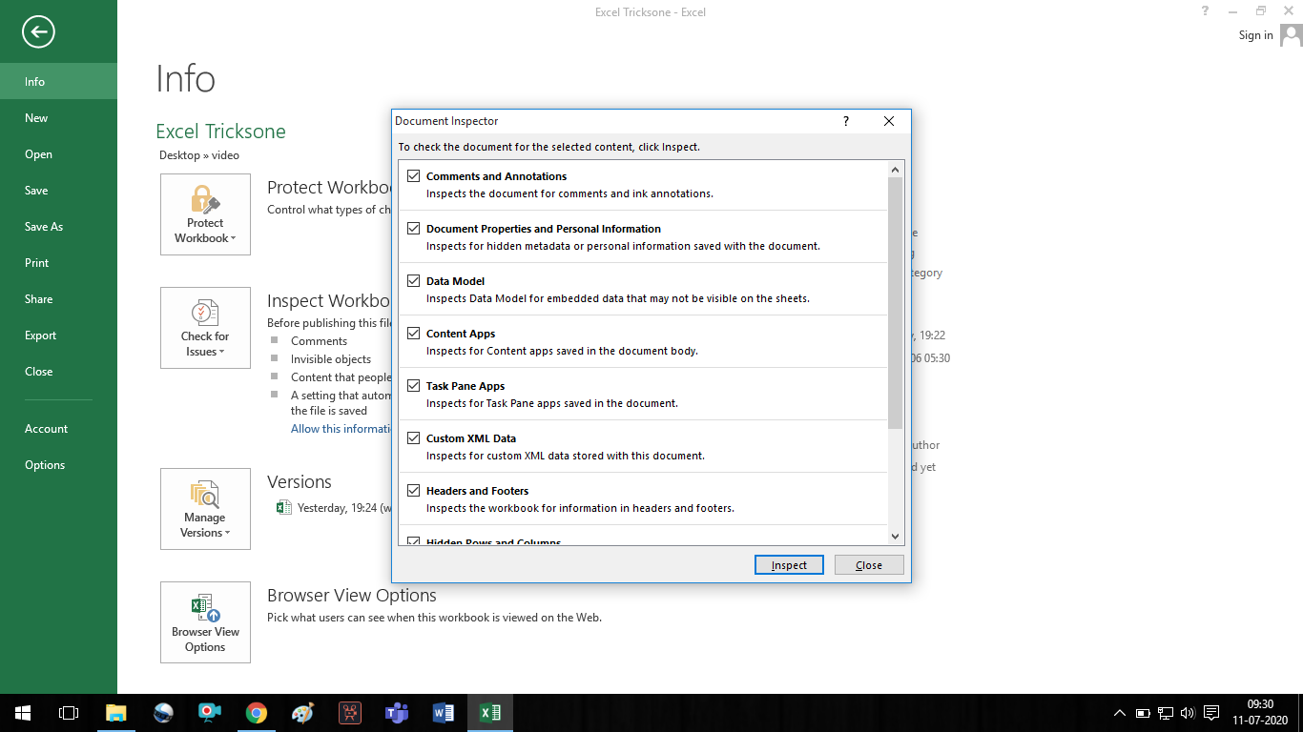
S.NO. | STUDENT NAME | Father's Name | Mother's Name | Date of Birth
1 | SHANKAR PRASAD | RAM SINGH | SAVITRI DEVI | 2005-01-01
2 | SURESH | DINESH BORA | LAXMI DEVI | 2005-06-15
3 | MANOJ | MANOHAR MORYA | KM. SARITA | 2006-06-20
4 | MANOJ MORA | MUNNI LAL MORA | MANJU DEVI | 2007-10-09
5 | RAJU KUMAR | RAJESH KUMAR | SARITA | 2005-01-14
6 | PRADEEP | PRAMOD SINGH | AMRIT SINGH | 2005-07-17
7 | MOHAN | RAM MOHAN | NEETI MOHAN | 2006-06-18
8 | AJAY | AMAR PRATAP | RANI PRATAP | 2006-06-25
9 | VINOD | RAMESH | RANI DEVI | 2005-05-26
10 | DINESH | SURESH SINGH | MUNNI DEVI | 2005-05-20
11 | KAILASH | KUMAR SINGH | RAKHI | 2006-06-19
12 | DILIP CHAUDHARY | ANIL CHAUDHARY | ANCHAL | 2005-06-30
13 | SOHAN | KHATRI SINGH | PAYAL | 2006-07-25
14 | PRAMOD | RAM JIT | HANSIKA DEVI | 2005-01-01
15 | SANJAY | AJAY | RITA DEVI | 2005-06-15
16 | MANOJ | MANOJ LALA | SUMAN DEVI | 2006-06-20
17 | ANIL PRATAP | GUDDU LAL | LALITA DEVI | 2007-10-09
18 | GULSHAN | AMAR SINGH | PAYAL SINGH | 2005-01-14
19 | PRITAM LAL | BHAWAR SINGH | RANI SINGH | 2005-07-17
20 | SHYAM MOHAN | JAY MOHAN | PREETI MOHAN | 2006-06-18
21 | SUNIL | RAMAN SINGH | JAYA SINGH | 2006-06-25
22 | PRAKASH | RAJESH YADAV | BASMATI YADAV | 2005-05-26
23 | ROSHAN KUMAR | RAAJ | GAURI SINGH | 2005-05-20
24 | SHASHI KAPOOR | RAAJ KAPOOR | RAMNI KAPOOR | 2006-06-19
25 | PANCHAM SINGH | RAMA SINGH | AMRITA SINGH | 2005-06-30
26 | SUBHASH | SHAMBHU | PARVATI DEVI | 2006-07-25
27 | PRINCE | SUBHASH SINGH | PAVITRA DEVI | 2006-07-25
28 | SHANKAR PRASAD | RAM SINGH | SAVITRI DEVI | 2005-01-01

